BIE Principles and Assumptions
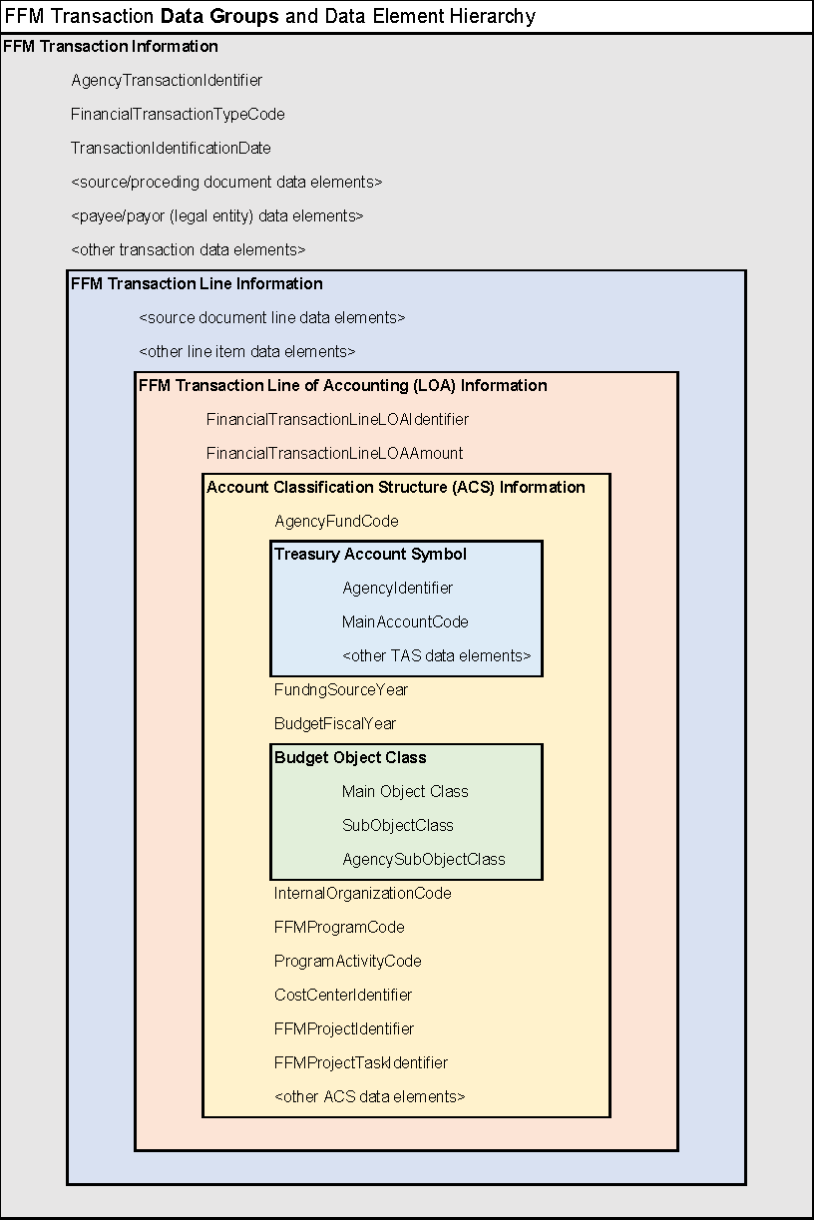
TRT-Specific BIE Assumptions
TRT-1 | In the TRT Functional Area, an entity (payee) FFM Transaction for the traveler will be generated from Travel Personnel Baseline Profile at the time of travel authorization and voucher to ensure FFM has the most current information on the traveler prior to processing an FFM Transaction. An entity (payee) FFM Transaction will not need to be generated by the TRT Functional Area for charge card issuer companies because when the government establishes the contract with the charge card issuer company, they are required to establish their entity and payment information in GSA SAM. This information can be retrieved by FFM using the Unique Entity Identifier (UEI) provided by the TRT Functional Area.
TRT-2 | In the TRT Functional Area, every type of Travel Authorization (i.e., Unlimited Open, Limited Open, Individual Trip-by-Trip, and Group Trip-by-Trip) will generate a funds obligation FFM Transaction. • Under Unlimited Open and Limited Open Travel Authorizations, there are no further travel authorizations for a specific trip; the traveler can submit multiple Travel Advance Vouchers and TDY Travel Vouchers for one or more trips against the open travel authorization. • Under an Individual Trip-by-Trip Travel Authorization, individuals can submit multiple Travel Advance Vouchers and a single TDY Travel Voucher (subsequent TDY Travel Vouchers will amend the traveler's previously approved TDY Travel Voucher). • Under a Group Trip-by-Trip Travel Authorization, a list of travelers will be included in the travel authorization, however estimated travel expenses will not be broken down by traveler. Therefore, the funds obligation FFM Transaction for a Group Trip-by-Trip Travel Authorization will include a generic payee. Individual travelers can submit multiple Travel Advance Vouchers and a single TDY Travel Voucher (subsequent TDY Travel Vouchers will amend the traveler's previously approved TDY Travel Voucher). The vouchers will provide the specific payee information for the associated payable FFM Transaction.
TRT-3 | In the TRT Functional Area, once travel authorizations or TDY Travel Vouchers are approved, if subsequent changes are required, they would be amended instead of updated and the amendment will generate an FFM Transaction; in these cases, the TRT solution/service will store documentation of both the original document and amendment for traceability and auditing purposes. Travel Advance Vouchers and Local Vouchers cannot be amended (changed or updated) after approval.
TRT-4 | If a trip is canceled after the travel authorization is approved and expenses have incurred, but prior to trip departure, a TDY Travel Voucher will be submitted for the amount of residual fees (e.g., transaction fees, cancelation fees) and generate a payable FFM Transaction at the time the TDY Travel Voucher is approved. A travel authorization amendment indicating the trip was canceled will be created and generate a funds obligation FFM Transaction with a negative amount to de-obligate the remaining funds.
TRT-5 | In the TRT Functional Area, an accrual FFM Transaction will not be generated at the time a traveler incurs expenses; however, a payable FFM Transaction will be generated at the time a TDY Travel Voucher or Local Voucher is approved.
TRT-6 | Local Vouchers used to reimburse federal employees for expenses, such as, telephone, local transportation, office supplies, or professional liability insurance will generate a payable FFM Transaction that does not have an associated Travel Authorization (obligation) document (similar to an acquisition micro-purchase). If the business unit wants to reserve funds for Local Vouchers, it will be executed using the FM solution/service.
TRT-7 | Line items in TDY Travel Vouchers for travel expenses paid via a Centrally Billed Account (CBA) charge card will not generate a payable FFM Transaction (or liquidate the previous line item obligation). Payables to CBA charge card companies (and obligation liquidation) will be initiated in the FM solution/service based on government receipt of charge card issuer billing statements.
TRT-8 | Line items in TDY Travel Vouchers for travel expenses paid via a Government Transportation Request (GTR) will not generate a payable FFM Transaction (or liquidate the previous line item obligation). A payable to the transportation vendor (and obligation liquidation) will be initiated in the FM solution/service when the vendor submits the GTR invoice to the Federal government for reimbursement.
TRT-9 | Line items in TDY Travel Vouchers for travel expenses paid via an Individually Billed Account (IBA) government-issued travel card will generate a payable FFM Transaction specifying the payee as the traveler's charge card issuer company identified in the Travel Personnel Profile Information. A separate payable FFM Transaction will be generated for line items indicating cash travel expenses (e.g., tips, tolls) to be reimbursed to the Federal traveler; the method of payment to the traveler (e.g., ACH, check) and traveler's bank account information will be provided from the Travel Personnel Profile Information.
TRT-10 | Line items in TDY Travel Vouchers for travel expenses paid via a Non-Federal Source Payment Type of "In Kind" will not generate a payable FFM Transaction since the expense was paid directly to the vendor by the Non-Federal Source entity (e.g., hotel room expense), but will generate a funds obligation FFM Transaction with a negative amount to de-obligate the funds reserved in case the Non-Federal Source did not pay for the expense. When a Non-Federal Source will reimburse an agency for a travel expense, the travel expenses must first be paid via CBA, IBA, or cash and generate the associated FFM Transactions. Reconciliation of travel expenses with any reimbursement to the Federal agency will be performed outside of the TRT solution/service and any necessary payable or receivable transactions will be executed using the FM solution/service.
TRT-11 | Travel Advance Vouchers and TDY Travel Vouchers may be processed before, during, or upon completion of official travel. • A Travel Advance Voucher submitted before travel begins may be used to pay for anticipated expenses. The traveler will identify the associated travel authorization expense line item for which the travel advance is required and the payee must be the traveler (i.e., cannot be an IBA). One or more TDY Travel Vouchers will later be submitted and will indicate which Travel Advance Voucher line items have now been expensed by the traveler. • A TDY Travel Voucher submitted before travel begins may also be used for reimbursement of expenses incurred prior to travel (e.g., payment for a room deposit) and the payee may be the traveler, an IBA, or a CBA. • A TDY Travel Voucher may be used during travel for reimbursement of expenses incurred while in a continuous travel status and the payee may be the traveler, an IBA, or a CBA. • A TDY Travel Voucher submitted upon completion of a trip will be used to reimburse expenses incurred and the payee may be the traveler, an IBA, or a CBA. • All types of vouchers will generate a payable FFM transaction; however, TDY Travel Vouchers that indicate the expensing of a previously received travel advance will not result in a new disbursement of funds to the traveler but rather the expensinig of the previously disbursed travel advance funds.
TRT-12 | When a travel authorization is canceled or amended because estimated amount of expenses is decreased and a travel advance in excess of the canceled or amended travel authorization was issued to the traveler, a receivable FFM transaction will be generated in addition to the de-obligation FFM transaction.
TRT-13 | If an audit identifies an overpayment to a traveler, any receivables and associated payments (collections) from travelers (also known as a "Due U.S.") will be executed using the FM solution/service, not the TRT solution/service.
TRT-14 | Determination of Federal employee taxes and payroll deductions for long term travel will be performed by the HCM compensation (payroll) function and not the FFM Functional Area. The HCM payroll information provided to FFM will include summarized tax withholding/payroll deduction information.

